TECHINCAL DETAILS
 | BRAND: | You're BRAND here | GSM: | 260 - 280 GSM | TECHINCAL DETAILS

 | DESIGNER: | Apparelz360 | PRODUCT TYPE: | Heavyweight Oversized Tee

 | DESCRIPTION: | Athleisure Tee | FABRIC TYPE: | 100% Combed Cotton / Premium Cotton Jersey

 | Sample Size: | L | SIZE RANGE: | S - XXL

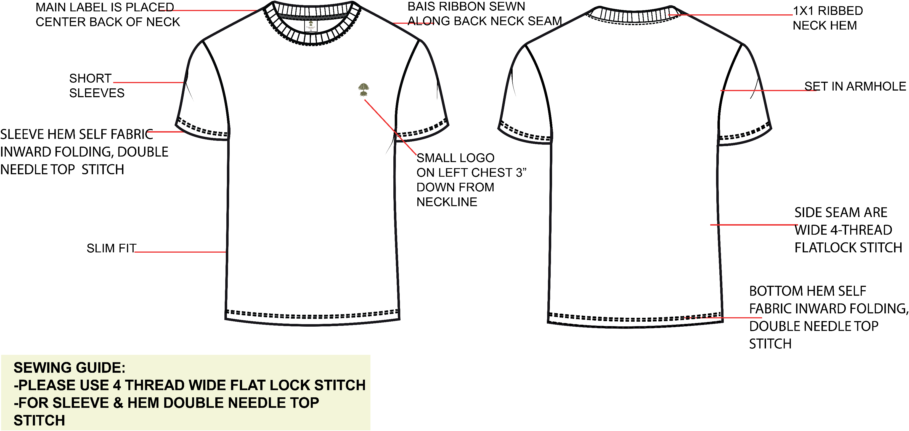 `

 PAGE-1 Content within this document are CONFIDENTIAL AND PROPERTY TO ROOT

ARTWORK DETAILS
 | BRAND: | You're BRAND here | GSM: | 260 - 280 GSM | ARTWORK DETAILS

 | DESIGNER: | Apparelz360 | PRODUCT TYPE: | Heavyweight Oversized Tee

 | DESCRIPTION: | Athleisure Tee | FABRIC TYPE: | 100% Combed Cotton / Premium Cotton Jersey

 | Sample Size: | L | SIZE RANGE: | S - XXL

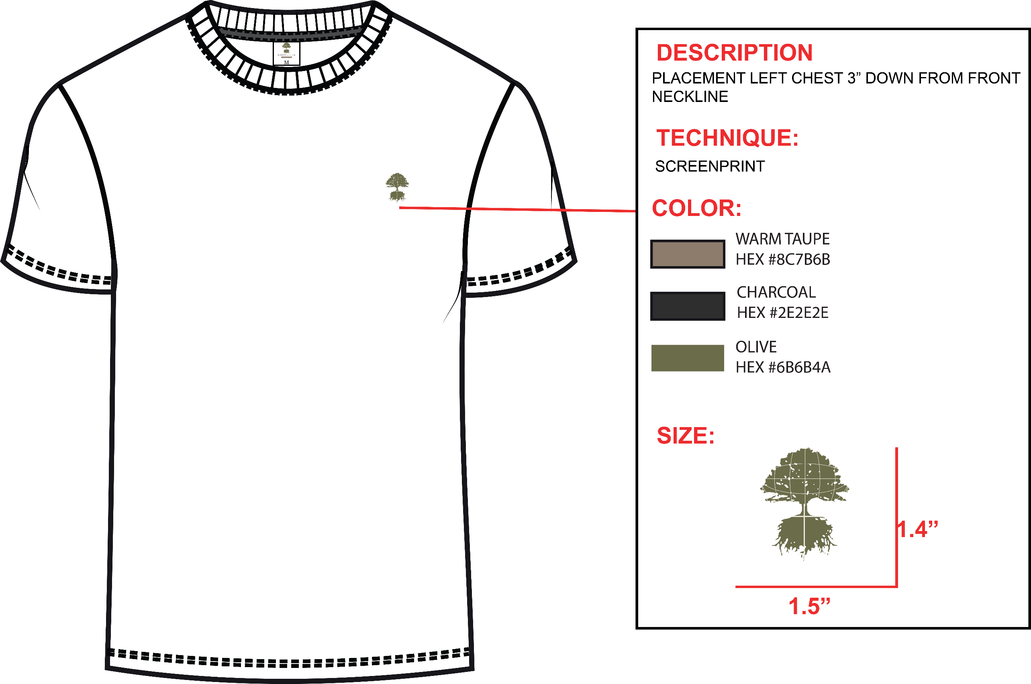 `

PAGE-2 Content within this document are CONFIDENTIAL AND PROPERTY TO ROOT

BRADING DETAILS
 | BRAND: | You're BRAND here | GSM: | 260 - 280 GSM | BRADING DETAILS

 | DESIGNER: | Apparelz360 | PRODUCT TYPE: | Heavyweight Oversized Tee

 | DESCRIPTION: | Athleisure Tee | FABRIC TYPE: | 100% Combed Cotton / Premium Cotton Jersey

 | Sample Size: | L | SIZE RANGE: | S - XXL

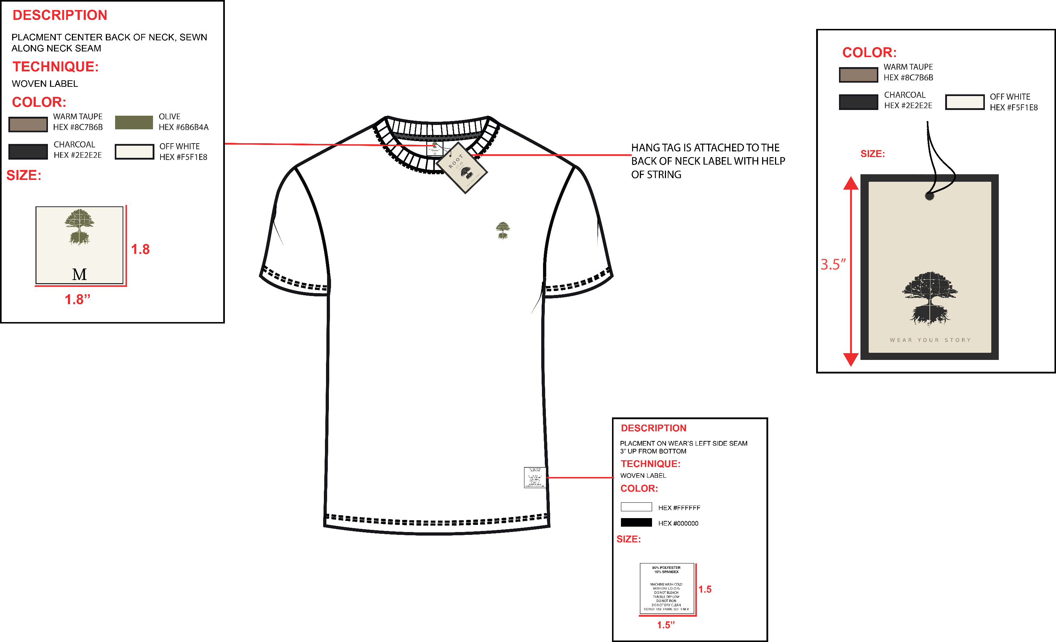 `

PAGE-3 Content within this document are CONFIDENTIAL AND PROPERTY TO ROOT

COLORSWAY
 | BRAND: | You're BRAND here | GSM: | 260 - 280 GSM | COLORSWAY

 | DESIGNER: | Apparelz360 | PRODUCT TYPE: | Heavyweight Oversized Tee

 | DESCRIPTION: | Athleisure Tee | FABRIC TYPE: | 100% Combed Cotton / Premium Cotton Jersey

 | Sample Size: | L | SIZE RANGE: | S - XXL

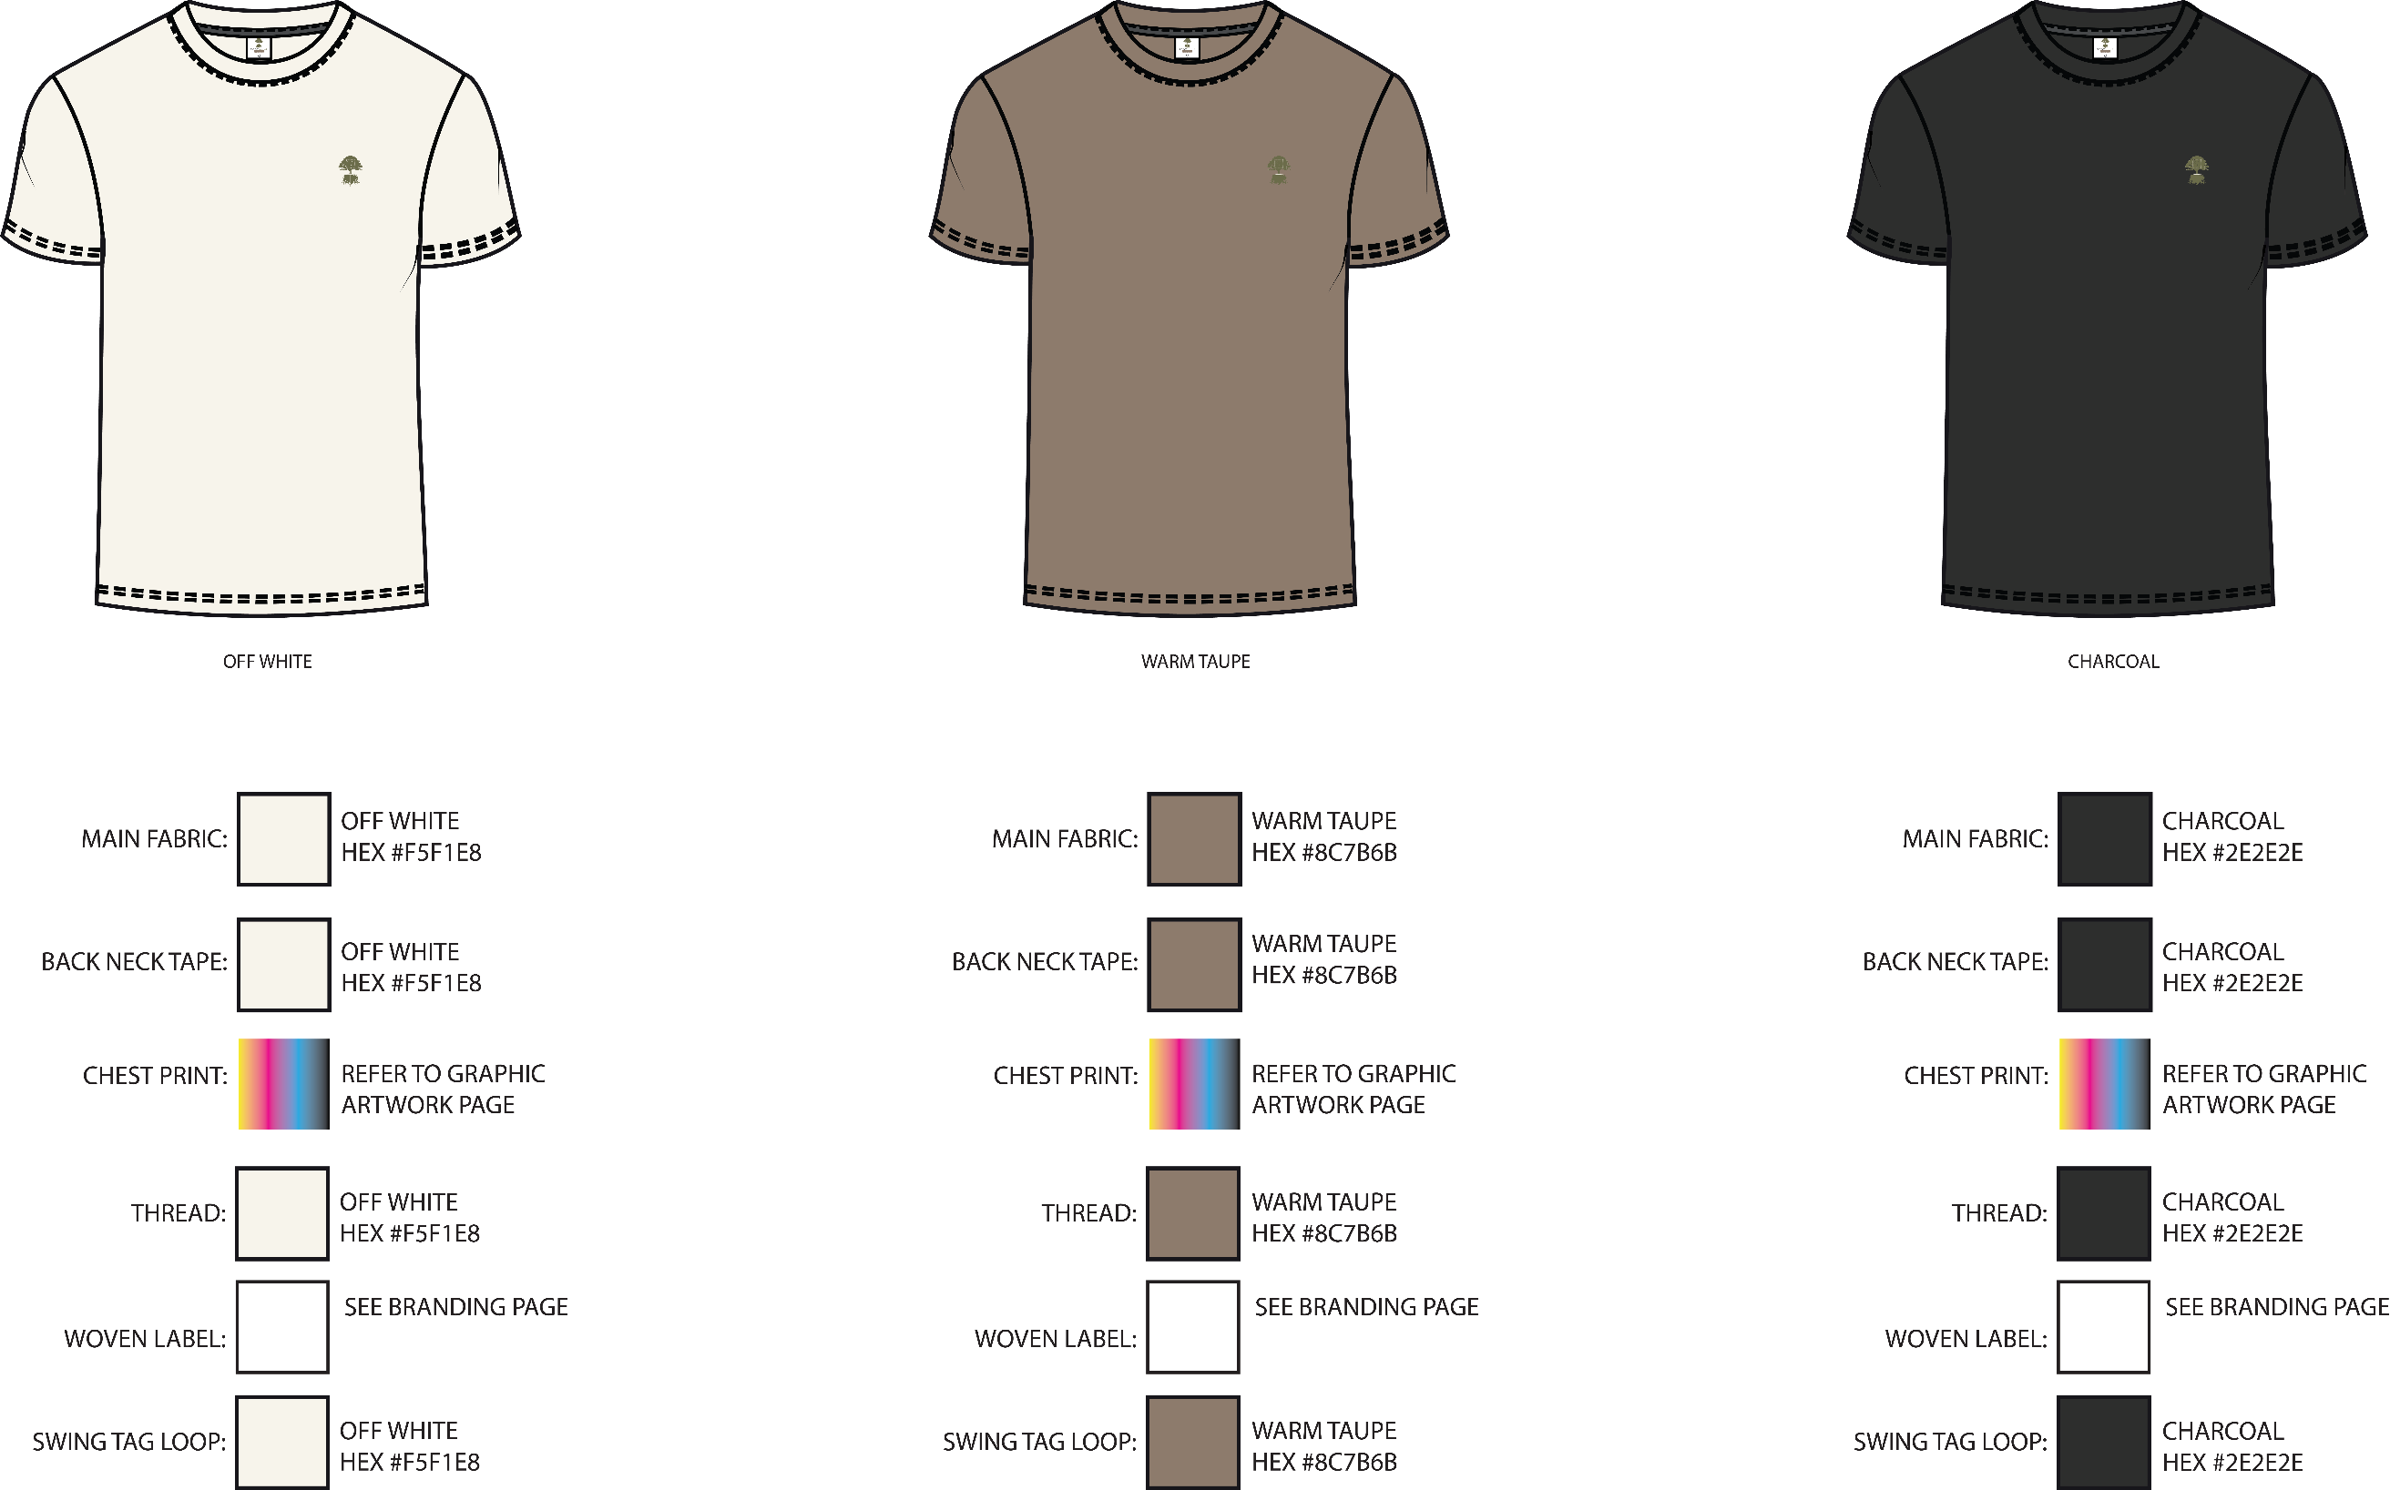 `

PAGE-4 Content within this document are CONFIDENTIAL AND PROPERTY TO ROOT

HOM
 | BRAND: | You're BRAND here | GSM: | 260 - 280 GSM | HOW TO MEASURE

 | DESIGNER: | Apparelz360 | PRODUCT TYPE: | Heavyweight Oversized Tee

 | DESCRIPTION: | Athleisure Tee | FABRIC TYPE: | 100% Combed Cotton / Premium Cotton Jersey

 | Sample Size: | L | SIZE RANGE: | S - XXL

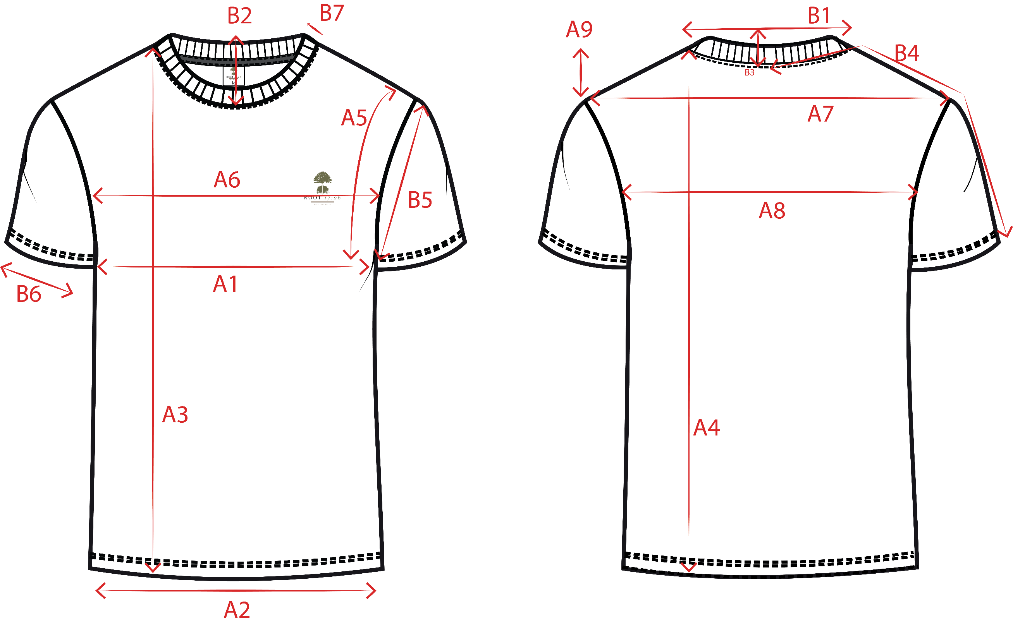 `

PAGE-5 Content within this document are CONFIDENTIAL AND PROPERTY TO ROOT

POM
 | BRAND: | You're BRAND here | GSM: | 260 - 280 GSM | POINT OF MEASUREMENTS

 | DESIGNER: | Apparelz360 | PRODUCT TYPE: | Heavyweight Oversized Tee

 | DESCRIPTION: | Athleisure Tee | FABRIC TYPE: | 100% Combed Cotton / Premium Cotton Jersey

 | Sample Size: | L | SIZE RANGE: | S - XXL

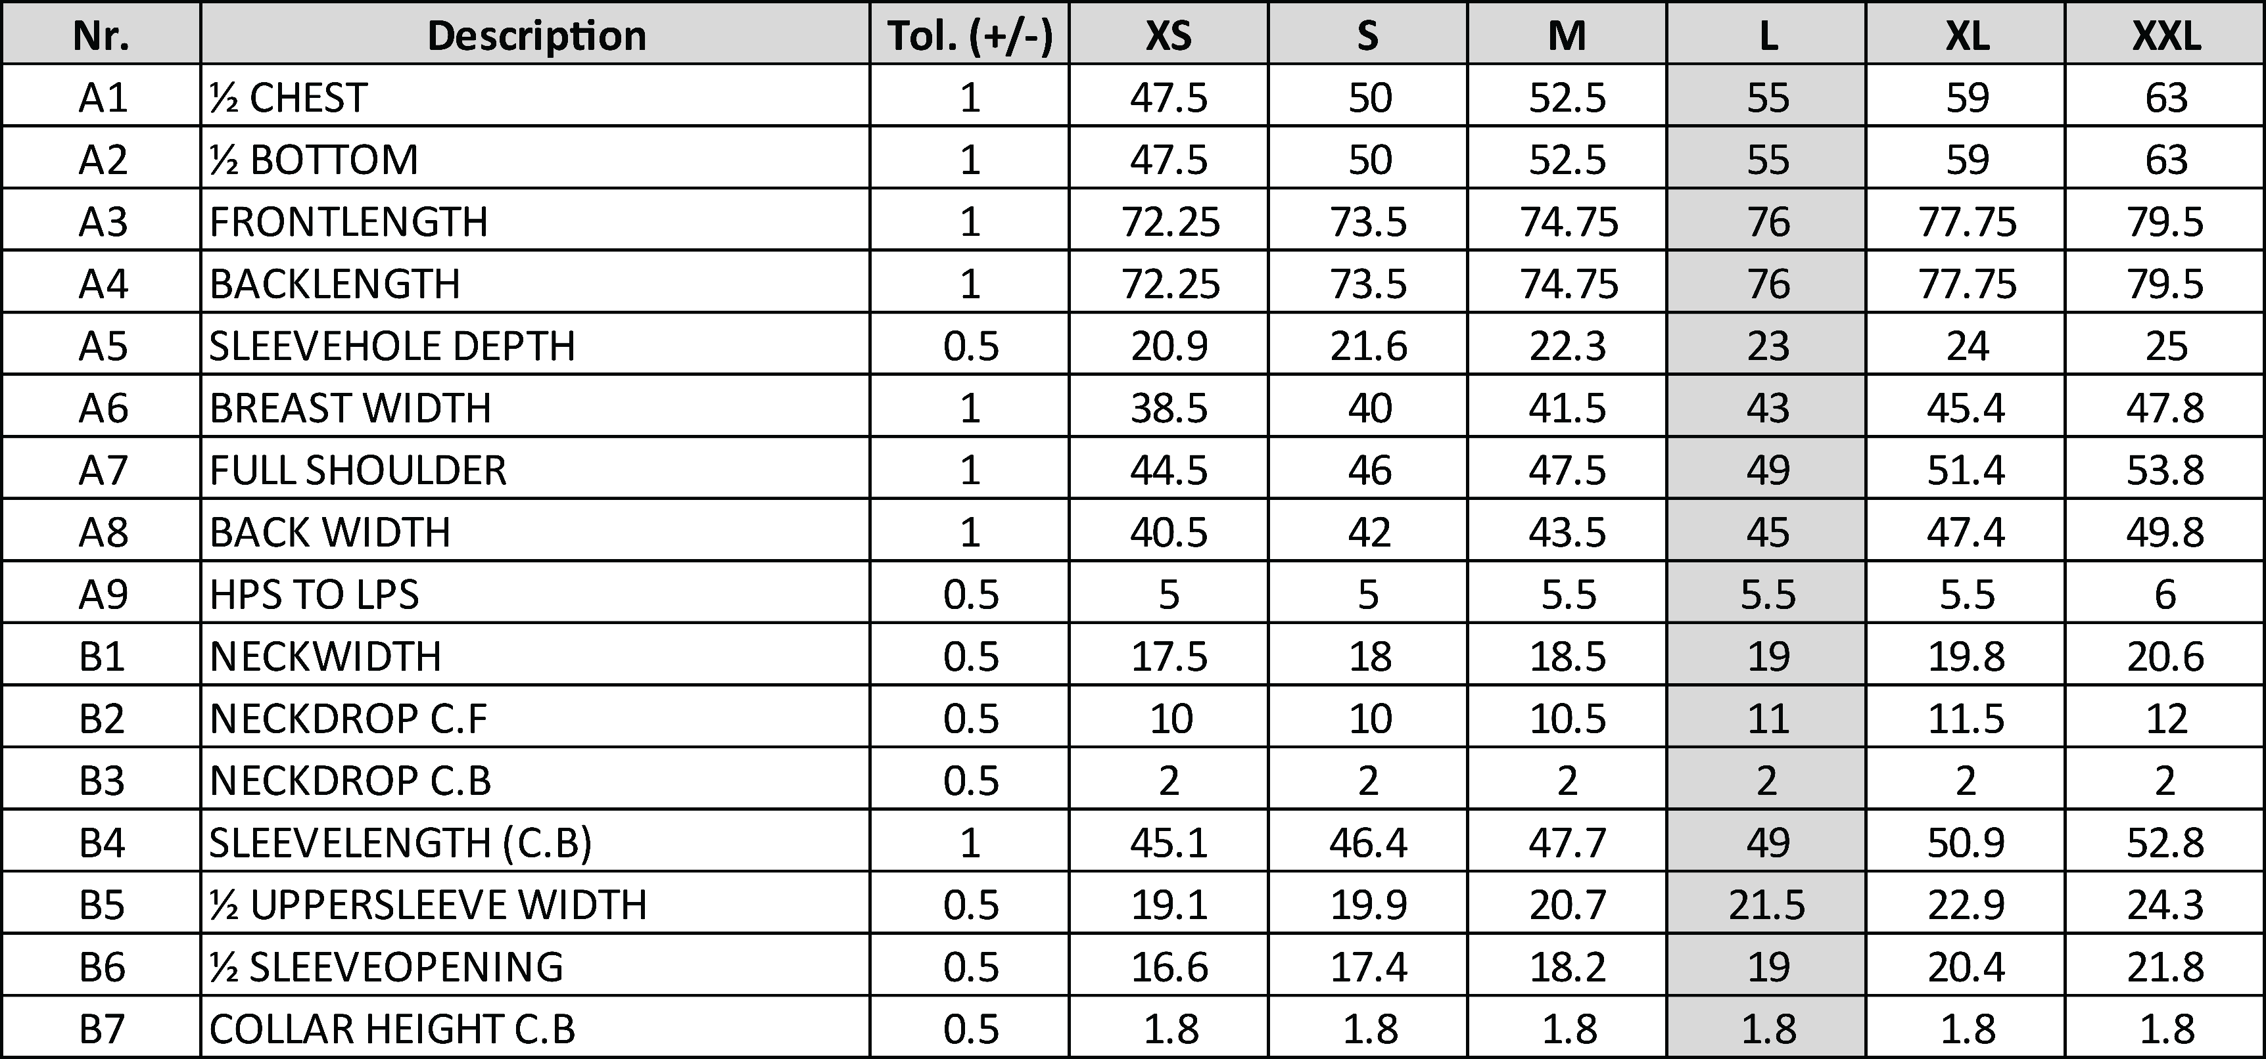 `

PAGE-6 Content within this document are CONFIDENTIAL AND PROPERTY TO ROOT

